kpi
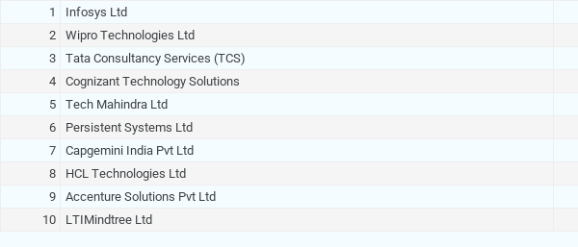
KPI
COUNTUNIQUE of Company_ID
1634

Company type

COUNTUNIQUE of Company_ID vs Type

Salary Range

AVERAGE of Min_Salary(Month) and AVERAGE of Max_salary(Month)

Hiring Mode

COUNTA of Company_ID vs Hiring_Mode_primary

Month wise Hiring

COUNTA of Company_ID vs Hiring_Months

Salary Distribution By Company Type and Experience

0-2, 3-4, 5-6, 7-8, 8+…

Confidence Score by Company type
AVERAGE of Confidence_Score vs Type

LOcation Wise companies

COUNTUNIQUE of Company_ID vs Location
Location | COUNTUNIQUE of Company_ID
Aundh | 60
Baner | 41
Hinjewadi | 570
Kharadi | 584
Magarpatta | 327
Viaman Nagar | 52
Grand Total | 1634

#REF!

company wise mis employee

SUM of No_of_MIS_Emp vs Type

Industry wise mis employee

SUM of No_of_MIS_Emp vs Type

Sheet2

 |  |  |  |  |  |  |  | COUNTUNIQUE of Company_ID
Total Mis Employees | Total Companies | Minimum Avg Salary(M) | Maximum Avg Salary(M) | Avg Confidence Score |  |  |  | 1634

55,795 | 1634 | 57672 | 67672 | 78

Company Type
Location wise Companies
Company wise MIS Empployees

COUNTUNIQUE of Company_ID

Month wise Hirings
Experience wise Salary Range

Hiring Modes
Salary Distribution by Company Type and Experiene level
Area wise Top Companies

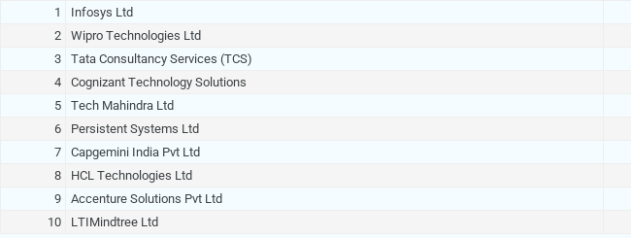

 |  |  |  |  |  |  |  | Type | COUNTUNIQUE of Company_ID
 |  |  |  |  | Type | COUNTUNIQUE of Company_ID |  | BPO | 99
 |  |  |  |  | BPO | 52 |  | MNC | 857
 |  |  |  |  | MNC | 444 |  | Service | 55
 |  |  |  |  | Service | 15 |  | SME | 364
 |  |  |  |  | SME | 210 |  | Startup | 259
 |  |  |  |  | Startup | 118 |  | Grand Total | 1634
 |  |  |  |  | Grand Total | 839

 |  |  |  |  |  | Location | COUNTUNIQUE of Company_ID
 |  |  |  |  |  | Aundh | 60
 |  |  |  |  |  | Baner | 41
 |  |  |  |  |  | Hinjewadi | 570
 |  |  |  |  |  | Kharadi | 584
 |  |  |  |  |  | Magarpatta | 327
 |  |  |  |  |  | Viaman Nagar | 52

